Sheet1
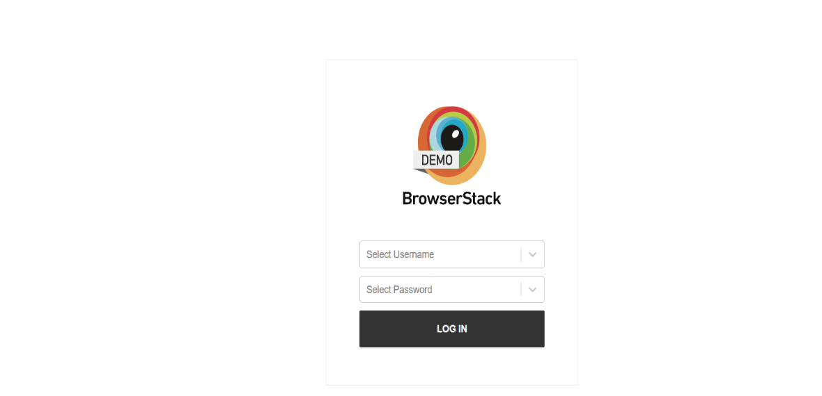
 |  |  | Test Case Template for Project
 |  |  | Project Name | Bstackdemo
 |  |  | Module Name | login Page
 |  |  | Created By | Reema Yadav
 |  |  | Created Date | Jul-24
 |  |  | Project URL | Link: https://www.bstackdemo.com/

Feature | Test Case ID | Test Case Desciption | Pre-condition | Test Steps | Test Data | Expected Result | Actual Result | Status | Executed QA Name | Misc (Comments)
Login | TC01 | Verify that the design of the login page should be as per the requirement. | 1.User have launched https://www.bstackdemo.com/ 2.User have tapped on sign In button 3.User have tapped on LOGIN button | 1.User have launched https://www.bstackdemo.com/ 2.User have tapped on sign In button 3.User have tapped on LOGIN button | N/A | UI should be as per the requirement mentioned. | As Expected | Pass
 | TC02 | Verify that logo of the bstackdemo should be present. | 1.User have launched https://www.bstackdemo.com/ 2.User have tapped on sign In button 3.User have tapped on LOGIN button | 1.User have launched https://www.bstackdemo.com/ 2.User have tapped on sign In button 3.User have tapped on LOGIN button | N/A | Logo should be present. | As Expected | Pass
 | TC03 | Verify that color, shape, size, font, and position of the logo. | 1.User have launched https://www.bstackdemo.com/ 2.User have tapped on sign In button 3.User have tapped on LOGIN button | 1.User have launched https://www.bstackdemo.com/ 2.User have tapped on sign In button 3.User have tapped on LOGIN button | N/A | Logo color,shape,size,font,and position should be correct. | As Expected | Pass
 | TC04 | Verify that all required labels, input fields and button should be present | 1.User have launched https://www.bstackdemo.com/ 2.User have tapped on sign In button 3.User have tapped on LOGIN button | 1.User have launched https://www.bstackdemo.com/ 2.User have tapped on sign In button 3.User have tapped on LOGIN button | N/A | All the required fields and button must be present. | As Expected | Pass
 | TC05 | Verify that all required labels,Input fields, Buttons,Links, and text should be clearly visible. | 1.User have launched https://www.bstackdemo.com/ 2.User have tapped on sign In button 3.User have tapped on LOGIN button | 1.User have launched https://www.bstackdemo.com/ 2.User have tapped on sign In button 3.User have tapped on LOGIN button | N/A | All the required input fields and button is Visible. | As Expected | Pass
 | TC06 | Verify that all buttons,text,input field and links should be properly aligned(There should be no overlapping). | 1.User have launched https://www.bstackdemo.com/ 2.User have tapped on sign In button 3.User have tapped on LOGIN button | 1.User have launched https://www.bstackdemo.com/ 2.User have tapped on sign In button 3.User have tapped on LOGIN button | N/A | All the required input fields and button is properly aligned.. | As Expected | Pass
 | TC07 | Verify the size of all input fields,text and buttons . | 1.User have launched https://www.bstackdemo.com/ 2.User have tapped on sign In button 3.User have tapped on LOGIN button | 1.User have launched https://www.bstackdemo.com/ 2.User have tapped on sign In button 3.User have tapped on LOGIN button | N/A | Size of input fields ,text and button is accurate. | As Expected | Pass
 | TC08 | Verify that the functionality should work in different Browser. | 1.User have launched https://www.bstackdemo.com/ 2.User have tapped on sign In button 3.User have tapped on LOGIN button | 1.User have launched https://www.bstackdemo.com/ 2.User have use link on different browser. | Link: https://www.bstackdemo.com/ | Link should be open in all browsers. | As Expected | Pass
 | TC09 | Verify that tooltip is present or not. | 1.User have launched https://www.bstackdemo.com/ 2.User have tapped on sign In button 3.User have tapped on LOGIN button | 1.User have launched https://www.bstackdemo.com/ 2.User have tapped on sign In button 3.User have tapped on LOGIN button | N/A | Tooltip is present. | Tooltip is not present | Fail
 | TC10 | Verify that palceholder is present. | 1.User have launched https://www.bstackdemo.com/ 2.User have tapped on sign In button 3.User have tapped on LOGIN IN button | 1.User have launched https://www.bstackdemo.com/ 2.User have tapped on sign In button 3.User have tapped on LOGIN IN button | N/A | Placeholder is present. | As Expected | Pass
 | TC11 | Verify that the login page is responsive according different screen size. | 1.User have launched https://www.bstackdemo.com/ 2.User have tapped on sign In button 3.User have tapped on LOGIN button | 1.User have launched https://www.bstackdemo.com/ 2.User have tapped on sign In button 3.User have tapped on LOGIN button | N/A | Login page is responsive on different screen size. | As Expected | Pass
 | TC12 | Verify that user should be able to login with "Enter" button. | 1.User have launched https://www.bstackdemo.com/ 2.User have tapped on sign In button 3.User have tapped on LOGIN button | 1.User have launched https://www.bstackdemo.com/ 2.User have tapped on sign In button 3.User have tapped on LOGIN button | Username: demouser password:testingisfun99 | Login should be done by tapping on Enter button. | As Expected | Pass
 | TC13 | Verify that user should be able to navigate correctly forward with "Tab" button. | 1.User have launched https://www.bstackdemo.com/ 2.User have tapped on sign In button 3.User have tapped on LOGIN button | 1.User have launched https://www.bstackdemo.com/ 2.User have tapped on sign In button 3.User have tapped on LOGIN button | N/A | Navigate properly forward on tapping Tab button. | As Expected | Pass
 | TC14 | Verify that user should be able to navigate correctly Backward with "shift + Tab" button. | 1.User have launched https://www.bstackdemo.com/ 2.User have tapped on sign In button 3.User have tapped on LOGIN button | 1.User have launched https://www.bstackdemo.com/ 2.User have tapped on sign In button 3.User have tapped on LOGIN button | N/A | Navigate properly backward on tapping Tab + Shift button. | As Expected | Pass
 | TC15 | Verify that user is able to input username. | 1.User have launched https://www.bstackdemo.com/ 2.User have tapped on sign In button 3.User have tapped on LOGIN IN button | 1. Enter username. 2.Tap on login button. | username:Adam | User should not be able to input username. | As Expected | Pass
 | TC16 | Verify that user is able to select username from dropdown. | 1.User have launched https://www.bstackdemo.com/ 2.User have tapped on sign In button 3.User have tapped on LOGIN IN button | 1. Tap on username drpdown. 2.Select dropdown option. | N/A | User should be able to select from dropdown option . | As Expected | Pass
 | TC17 | Verify that user is ble to select muitiple username from dropdown. | 1.User have launched https://www.bstackdemo.com/ 2.User have tapped on sign In button 3.User have tapped on LOGIN button | 1. Tap on username drpdown. 2.Select dropdown option. | username: demouser,image_not_loading_user,existing_order_user,fav_user,locked user. | User can choose any option from dropdown. | As Expected | Pass
 | TC18 | Verify that user is able to enter password. | 1.User have launched https://www.bstackdemo.com/ 2.User have tapped on sign In button 3.User have tapped on LOGIN button | 1. Enter password. 2.Tap on login button. | password: adam123@ | User should not be able to input password. | As Expected | Pass
 | TC19 | Verify that user is able to select password from dropdown. | 1.User have launched https://www.bstackdemo.com/ 2.User have tapped on sign In button 3.User have tapped on LOGIN button | 1. Tap on password drpdown. 2.Select dropdown option. | N/A | User should be able to select from dropdown option . | As Expected | Pass
 | TC20 | Verify that user should not able to login with blank username and blank password | 1.User have launched https://www.bstackdemo.com/ 2.User have tapped on sign In button 3.User have tapped on LOGIN button | 1.User have tapped on sign In button 2.User have tapped on LOGIN button | N/A | Error message is displayed "Invalid Username". | As Expected | Pass
 | TC21 | Verify that correct error message should be displayed when user enter blank email and password. | 1.User have launched https://www.bstackdemo.com/ 2.User have tapped on sign In button 3.User have tapped on LOGIN button | 1.User have tapped on sign In button 2.User have tapped on LOGIN button | N/A | Error message is displayed "Invalid Username". | As Expected | Pass
 | TC22 | Verify that user should not able to set username and password. | 1.User have launched https://www.bstackdemo.com/ 2.User have tapped on sign In button 3.User have tapped on LOGIN button | 1.User have tapped on sign In button 2.User have tapped on LOGIN button | N/A | Unable to set username and password. | As Expected | Pass

